ITP - Rejuvenation
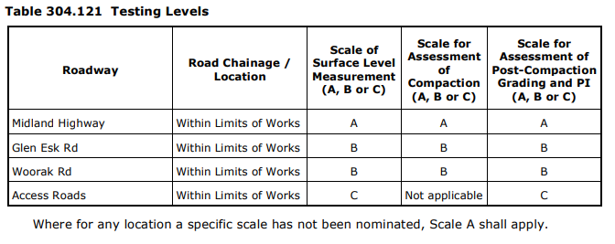
 |  |  | Inspection and Test Plan - Control and Supervision of the Works |  |  |  |  |  |  |  | Document # CTN-ITP-015
 |  |  |  |  |  |  |  |  |  |  | Revision : 0 | Date : 08/02/23

Client: |  | Department of State Growth |  | Construction Process: |  | Prepared by: |  | Reviewed by : |  |  | Approved by :
Project: |  | Midland Highway Campbell Town North |  | Rejuvenation Treatment of Existing Pavement |  | Name: | Tristan Black | Name: | Tristan Black |  | Name:
Contract No: |  | 3170 |  | Specifications: Specifications Section 304 (Contract Specific Clauses)
 |  |  |  | Structure / Component: |  | Signed : |  | Signed : |  |  | Signed :
 |  |  |  | Location: North of Campbell Town (Campbell Town to Epping Forest) |  | Date : | 2023-02-08 | Date : | 2023-02-08 |  | Date :

Lot No: |  |  | Lot Details: |  |  |  |  |  | Lot Size/ Quantity:

Item | Task/Activity Description |  | Inspection / Controls and Verification Detail |  |  |  |  | HP/ WP/ AP/ IP/ TP/ SCP | Responsibility | Checked by:
No. |  |  | Frequency | Acceptance Criteria | Reference Documents | Inspection / Test Method | Record of conformity |  | Project Engineer Site Engineer Superintendent Surveyor Foreman | Client | Fulton Hogan | Independent QA Verifier | Date
1 | Preliminary Works
1.1 | Check for correct documentation |  | Prior to commencing any activity | Ensure that all employees and subcontractors are: - using the correct and complete set of drawings -all drawings are the latest revision | Drawings and drawing registers | Visual inspection | This ITP signed | HP* | Site Engineer | N/A |  | N/A
1.2 | Preliminary Rejuvenation Trial |  | Prior to commencing works | Hold Point: The Contractor shall carry out a prelim inary trial of the proposed rejuvenation operat ion. The trial shall determ ine the: (a) effectiveness of the construction plant; (b) num ber of passes of the stabilisation m achine necessary to achieve uniform pulverisation and mixing; (c) field m oisture content required to achieve the specified com paction requirem ents; (d) rolling routine required to m eet the specified com paction requirem ents; (e) uniform ity of m ixing six random test holes. | Section 160.40C | Document Review | This ITP signed | AP | Site Engineer / QAV | N/A
1.3 | Implementation of all measures and controls |  | Prior to commencing works | All necessary measures and controls are being implemented, that is: PSP, EMP, TMP, SWMS & WP` | PSP, EMP, TMP, JSEA, SWMS, WP | Visual Inspection | This ITP signed | HP* | Site Engineer | N/A |  | N/A
1.4 | Plant and Equipment |  | Prior to commencing works | A purpose built mixing machine designed for in-situ stabilisation of roadworks shall be used to pulverise the existing pavement material and uniformly. Rotary hoes and other types of agricultural machinery shall not be used. | Section 160.40C | Visual Inspection | This ITP signed | IP | Site Engineer | N/A |  | N/A
2 | Rejuvenation
2.1 | Asphalt Removal |  | Prior to Rejuvenation | Prior to base rejuvenation, the existing pavement is to be inspected for existing asphalt patches greater than 1m2, which are to be removed prior to stablisation / blending. Where asphalt patches are removed, the existing subbase is to be inspected and subject to a test roll in accordance with DSG specification Section 173.03. If the exposed subbase comprises of unsuitable material, or fails the test roll, then the subbase is subject to to a 200mm deep granular patch using class 3 crushed rock (or better). | Drawings | Verify | This ITP signed | IP | Site Engineer | N/A |  | N/A
2.2 | Water Delivery |  | Each lot | Water is to be introduced into the pavement via the attachment on the reclaimer after the first pass. The trial section used 200L/min at a speed of 12m/min to achieve satisfactory moisture content and compaction. | Trial | Verify | This ITP signed | IP | Site Engineer | N/A |  | N/A
2.3 | Layer Thickness |  | Each layer | Base rejuvenation is to consist of the insitu stabilisation/blending of the top 150mm of existing pavement, including the pulverisation and incorporation of the existing seal. No cementitious binders or additives are to be incorporated. After stabilisation/ blending has been completed, the material is to be inspected for oversized material (>40mm) or chunks of the existing seal which have not been adequately pulverised. Oversize material and chunks of unpulverised seal are to be removed or reprocessed as necessary. | Drawings | Visual and Measure | This ITP signed | IP | Site Engineer | N/A |  | N/A
2.4 | Conformity with Drawing |  | Each lot | All pavement courses shall, after compaction, be finished to smooth and uniform surfaces, free of segregated areas, and conform ing to the limits for level, line, grade, thickness and cross section shown on the drawings or as specified. | 304.06 | Verify | This ITP signed | IP | Site Engineer | N/A |  | N/A
2.5 | Maintenance of Compacted Layers |  | Each lot | The surface of any compacted pavement layer or prepared subgrade shall be maintained in such a way as to minimise dust, prevent ravelling, erosion, deformation or any other damage to the layer resulting from environmental conditions, traffic or construction activities. The layer shall be kept free from contamination until any subsequent pavement work under the Contract is commenced or the Superintendent accepts and takes responsibility for that part of the Works. | 304.09 | Visual Inspection | This ITP signed | IP | Site Engineer | N/A |  | N/A
3 | Testing and Conformance
3.1 | Determine Testing Scale & Initial testing frequency |  | Prior to Testing | Initially test every lot until 3 consecutive lots of like material and/or work have achieved the standards specified in Clauses 304.08. and 304.10. If no failures, Reduced Frequency applies as specified in Table 304.111. | Table 204.161 304.08 (a) 304.11 (b) 304.11 (c)(i) Table 304.111 | Document Review/ Site Inspection | This ITP signed | AP | Site Engineer | N/A |  | N/A
3.2 | Test Rolling |  | Each lot | Hold Point: All pavement layers shall be compacted to withstand rolling and shall be test rolled in accordance with Section 173, prior to acceptance of the layer. | 304.08 | Test Roll | This ITP signed | HP | Site Engineer / QAV | N/A
3.3 | Compaction Testing |  | Every Lot Every second lot (reduced frequency) | 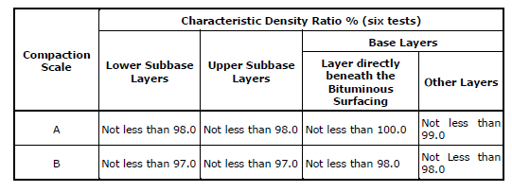 The calculation of density ratio shall be based on tests performed using Modified compactive effort. The work shall be completed in accordance with Scale A requirements for testing of the upper subbase layer (98% Modified). Minimum testing for compaction is to be completed once every two lots. | 304.08 Table 3040.061 304.11 (b) Table 304.111 | Test point | This ITP signed | TP | Site Engineer | N/A |  | N/A
3.4 | Post Compaction Testing |  | Refer to table 304.111 for various minimum frequency or testing for Grading and PL | If specified in Clause 304.10(c) or Clause 304.10(d), following completion of compaction, material shall be tested for post-compaction grading or Plasticity Index (PI) at the frequency specified in Clause 304.11 for the appropriate Scale of Testing specified in Clause 304.12(a). Pavement Rejuvenation shall have a PI between 0-10, tested once evey 4 lots. | 304.10 Table 304.101 304.102 | Test point | This ITP signed | TP | Site Engineer | N/A |  | N/A
3.5 | Shape |  | Each lot | Layer to be finished to a smooth and uniform surface and after compaction shall have no point deviation > 8mm from 3m straight edge. The subbase shall also not be less than the specified thickness by more than 15mm | 304.06(b, d, i) Drawings Table 304.062 | Survey | This ITP signed | IP | Site Engineer | N/A |  | N/A
3.5 | Completed Surface Level Compliance |  | Each lot | The regulation layer is to comprise of Class 1 crushed rock for a minimum thickness of 100mm. Where the base rejuvenation layer is within 100mm of FSL after the mechanical blending / stabilisation has been completed, the rejuvenation layer is to be trimmed to FSL -100 to accomodate the minimum thickness regulation layer. | Drawings | Survey | This ITP signed | SCP | Site Engineer | N/A |  | N/A
 | The signature below verifies that this ITP has been completed in accordance with the FH’s Quality system Procedures and verifies lot compliance with specifications.
 | Fulton Hogan | Print Name: |  | Position: |  | Signature: |  |  |  |  | Date: / /

Legend
HP | Hold Point | Work shall not proceed past the HP until released by the Superintendent |  |  | IP | Inspection point |  | Formal Inspection to be done and recorded
HP* | FH Hold Point | Work shall not proceed past the HP* until released by FH |  |  | TP | Test Point |  | Product compliance test to be undertaken and recorded/reported
WP | Witness Point | An inspection which must be witnessed by the Superintendent |  |  | SCP | Survey conformance point |  | A qualified surveyor to check product/section/structure and report
AP | Approval Point | Written or verbal approval given by the Superintendent

